grading checklist and rubric
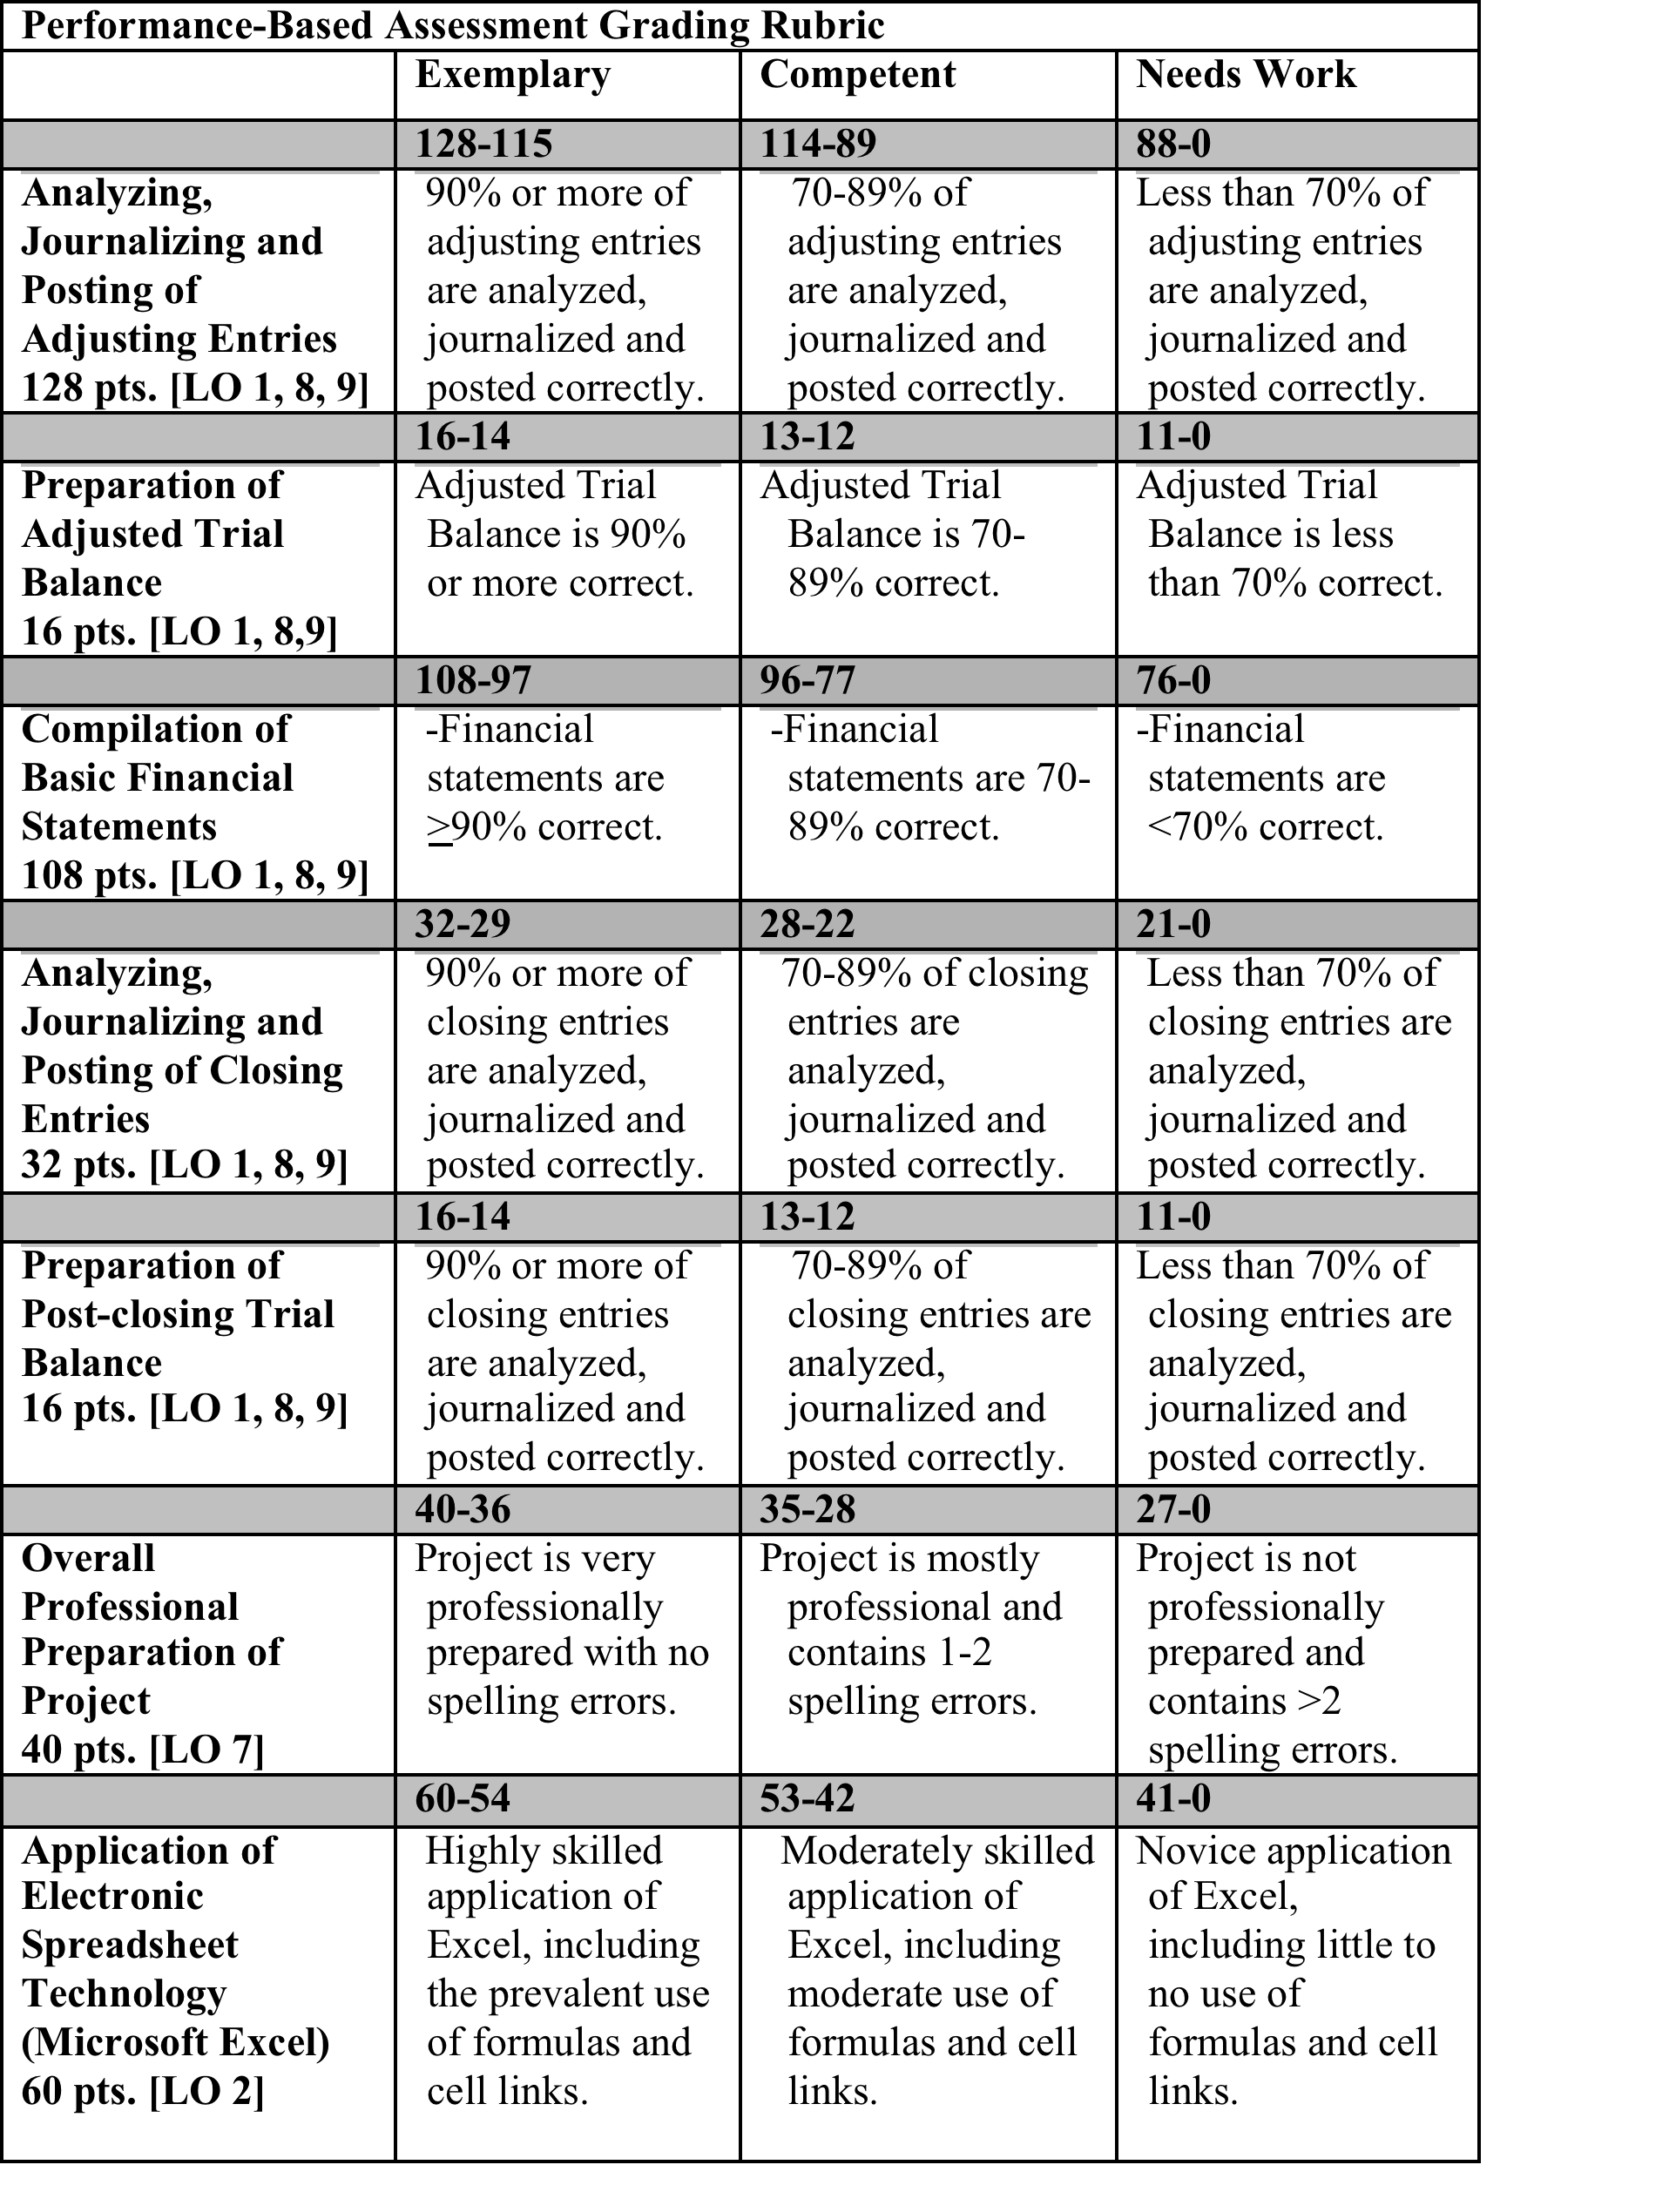
Grading Checklist for AC323 Comprehensive Problem |  |  |  |  | TOTAL POINTS
 |  |  |  |  | EARNED
Adjusting Entries | Points Possible | Points Earned
1 | 4
2 | 8
3 | 4 |  |  |  | 0
4 | 8
5 | 8
6 | 8
7 | 8
8 | 8 |  |  |  | 0
9 | 8
10 | 8
11 | 8
12 | 8
13 | 8 |  |  |  | 0
14 | 8
15 | 8
16 | 8
17 | 8
 | 128 | 0

Adjusted Trial Balance | Points Possible | Points Earned |  |  | 0
Correct totals (based on formula) | 8
Totals balance | 8
 | 16 | 0

Income Statement | Points Possible | Points Earned |  |  | 0
Correct Format | 4
Correct Income Before Income Taxes (based on formula) | 8
Correct Gross Profit (based on formula) | 8
Correct Income Tax Expense (based on formula) | 8
Components Sum to Net Income | 8
 | 36 | 0

Balance Sheet | Points Possible | Points Earned
Correct Form | 4
Assets=Liabilities+Stockholders Equity | 8
Correct Totals for Assets, Liab, & Equity | 4
Components Sum Correctly | 8
 | 24 | 0

Statement of Retained Earnings | Points Possible | Points Earned
Correct Form | 4
Correct Ending Retained Earnings | 8
 | 12 | 0
 |  |  |  | TOTAL SCORE (MAX 400 POINTS) | 0
Statement of Cash Flows | Points Possible | Points Earned
Correct Form | 4 |  | Instructor Comments:
Correct Cash flows from Operating Activities | 8
Correct Cash Flows from Investing Activities | 8
Correct Cash Flows from Financing Activities | 8
Correct Net Change in Cash | 8
 | 36 | 0

Closing Entries | Points Possible | Points Earned
1 | 8
2 | 8
3 | 8
4 | 8
 | 32 | 0

After-Closing Trial Balance | Points Possible | Points Earned
Correct totals (based on formula) | 8
Totals balance | 8
 | 16 | 0

